ENG
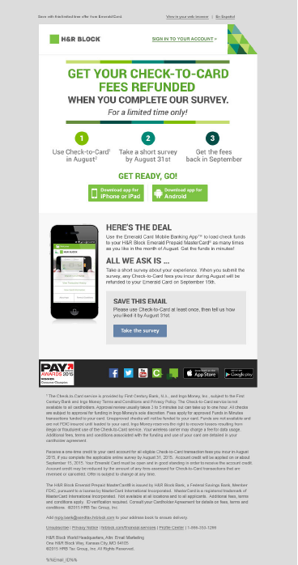
Mailing | FY16_EC_CheckToCard_AUG_Trial_Survey_ENG
Sender Address | H&R Block [reply@sendtax.hrblock.com]
Subject Line | 0
Name | Financial Services > Emerald Card > Check to Card > All > None > em_mcm_9188_0166 > FY16_EC_CheckToCard_AUG_Trial_Survery_ENG
Tracking | ?otppartnerid=9188&campaignid=em_mcm_9188_0166&et_cid=%%jobid%%&et_rid=%%subscriberid%%
Partner ID | 9188
Campaign ID | em_mcm_9188_0166
Prod Cell | 9188_0166
Personalization

Link Location | Link URL

Pre-header, top middle text | [RZF to configure link within ET]
Pre-header, HRB Logo | http://www.hrblock.com?otppartnerid=9188&campaignid=em_mcm_9188_0165&et_cid=%%jobid%%&et_rid=%%subscriberid%%
Pre-header, Sign In | https://www.hrblock.com/bank/lp/emeraldcard-login.html?loc=signin&otppartnerid=9188&campaignid=em_mcm_9188_0166&et_cid=%%jobid%%&et_rid=%%subscriberid%%
Body, iPhone Download | https://itunes.apple.com/us/app/emerald-card/id489656375?mt=8
Body, Android Download | https://play.google.com/store/apps/details?id=com.HRB.EmeraldCard
Body, Take Survery
Banner, frist icon image | http://newsroom.hrblock.com/hr-block-emerald-prepaid-mastercard-consumer-champion/?otppartnerid=9188&campaignid=em_mcm_9188_0166&et_cid=%%jobid%%&et_rid=%%subscriberid%%
Banner, second icon image | http://www.facebook.com/hrblock
Banner, third icon image | https://twitter.com/hrblock
Banner, fourth icon image | http://www.youtube.com/hrblock
Banner, fifth icon image | http://community.hrblock.com?otppartnerid=9188&campaignid=em_mcm_9188_0166&et_cid=%%jobid%%&et_rid=%%subscriberid%%
Banner, sixth icon image | http://blogs.hrblock.com?otppartnerid=9188&campaignid=em_mcm_9188_0166&et_cid=%%jobid%%&et_rid=%%subscriberid%%
Banner, seventh icon image | https://itunes.apple.com/us/app/emerald-card/id489656375?mt=8
Banner, eigth icon image | https://play.google.com/store/apps/details?id=com.HRB.EmeraldCard
Footer | http://click.sendtax.hrblock.com/unsub_center.aspx
Footer | http://www.hrblock.com/universal/digital-online-mobile-privacy-principles.html?otppartnerid=9188&campaignid=em_mcm_9188_0166&et_cid=%%jobid%%&et_rid=%%subscriberid%%
Footer | http://www.hrblock.com/financial-services/?otppartnerid=9188&campaignid=em_mcm_9188_0166&et_cid=%%jobid%%&et_rid=%%subscriberid%%
Footer | http://click.sendtax.hrblock.com/profile_center.aspx

